Anugrah (Bag, Cup, Box)
DATE | INV NO. | DESCRIPTIONS | AMOUNT | BILLS | PRICE | SUBTOTAL | TOTAL | Rp6,815,000
28-Mar-2026 | 4106 | THERMAL PAPER 80 X 80 | 50 | 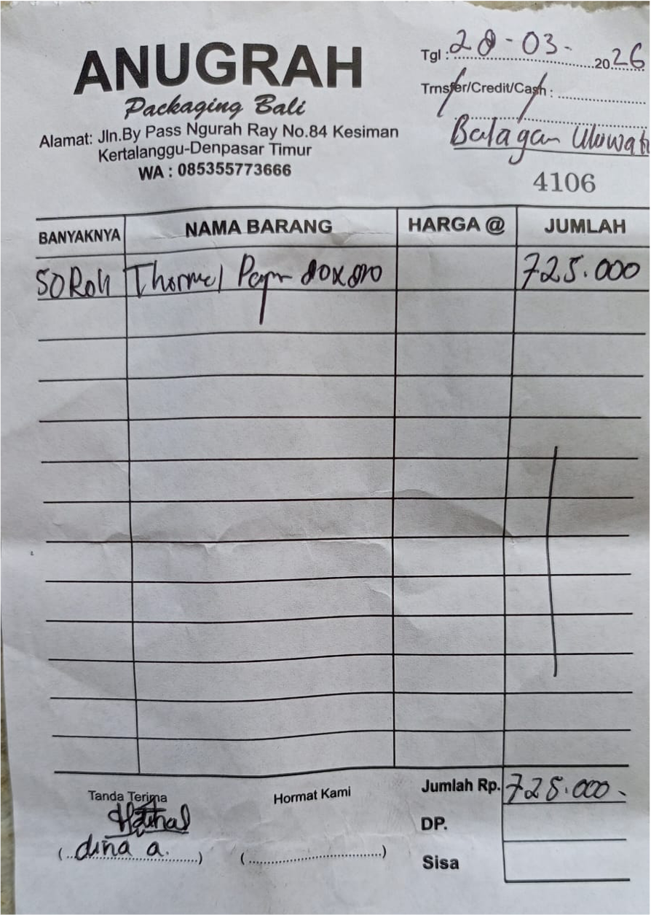 | IDR 14,500 | IDR 725,000 | IDR 725,000
28-Mar-2026 | 4109 | PAPERBAG HANDLE L | 1200 | 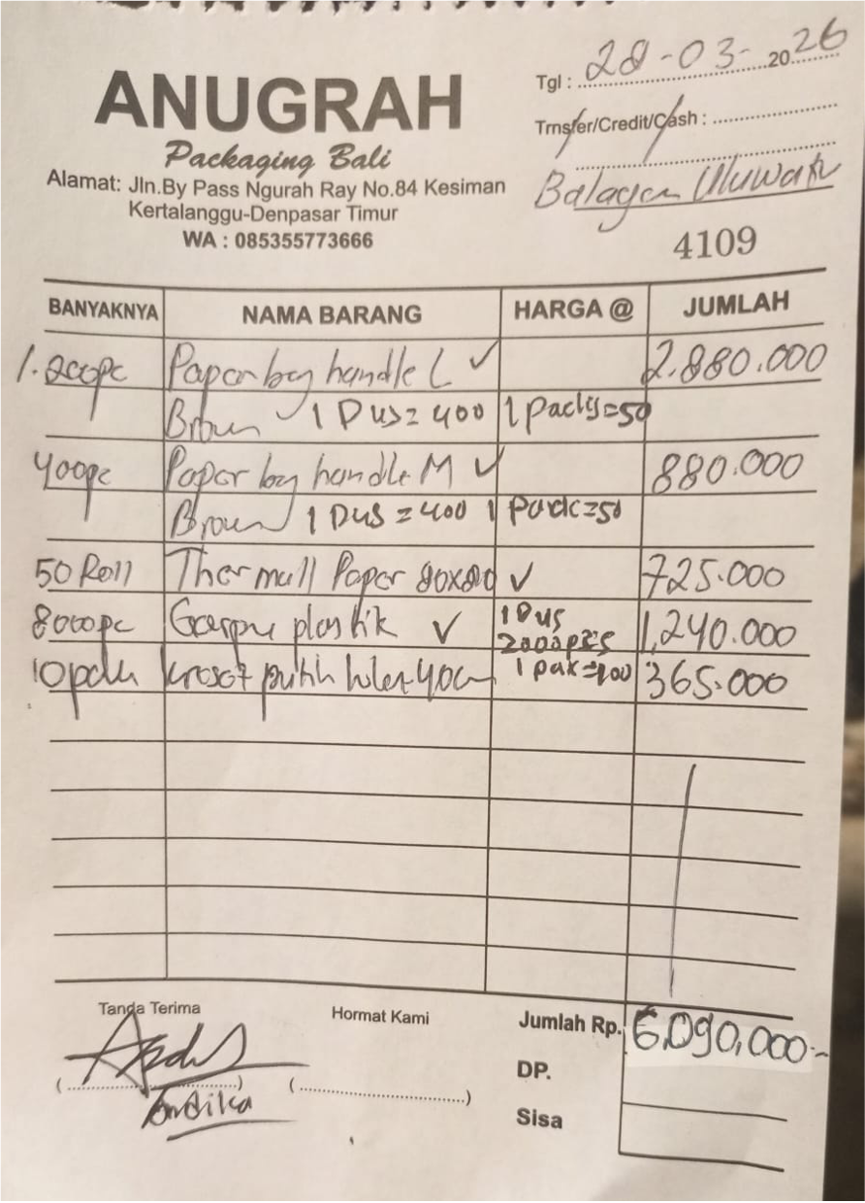 | IDR 2,400 | IDR 2,880,000 | IDR 6,090,000
 |  | PAPERBAG HANDLE M | 400 |  | IDR 2,200 | IDR 880,000
 |  | THERMAL PAPER 80 X 80 | 50 |  | IDR 14,500 | IDR 725,000
 |  | PLASTIC CUTLERIES | 8000 |  | IDR 155 | IDR 1,240,000
 |  | WHITE PLASTIC BAG 40 CM | 10 |  | IDR 36,500 | IDR 365,000
 |  |  |  |  |  | IDR -
 |  |  |  |  |  | IDR -
 |  |  |  |  |  | IDR -
 |  |  |  |  |  | IDR -
GRAND TOTAL |  |  |  |  |  |  | Rp6,815,000

